Sheet1
 | Document No. |  | Issue No. | Issue Date |  | Review and Replace Date |  | Authorised By
 | GFF416MC |  | 1 | 11.08.2023 |  | New Issue
 | Document Title |  | FAJITA CHICKEN WITH TORTILLA WRAP 500G
 |  |  |  |  |  |  |  | Magda Shah
Document amendments reason for change | New product launch |  | Page 1 of 1 |  | Previous Issue Date |  | New Issue | Uncontrolled copy unless signed original

CCFJMLK-R4TEB |  | BOOTHS | FAJITA CHICKEN WITH TORTILLA WRAP 500G
STEP 1 CODE: CFJMIX-R / CHICKEN FAJITA MIX
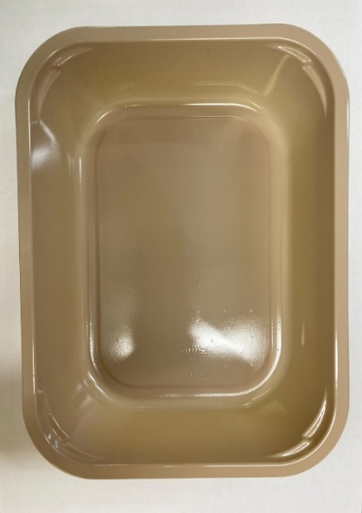 |  |  |  |  | 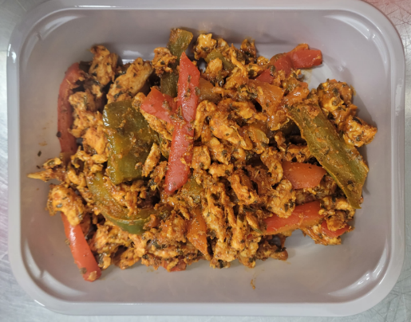

PACK
+ 1 YEAR

Tray: C 2200­1D Evolve CPET (PKRHP001-09) |  |  |  |  | Chicken Fajita Mix (GFF446R): 290g

Film: K peel 7G+25A/f- 275mm (275 mmX1000) (PKKMP001-03)

STEP 2 CODE: FJKIT-R / TORTILLA, GARLIC & SALSA DIP
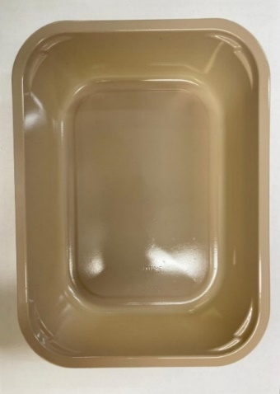 |  |  | 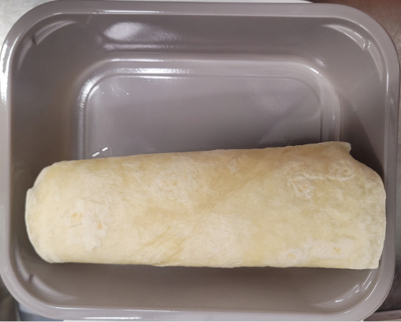 |  |  | 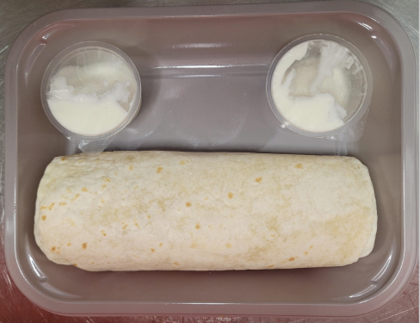 |  | 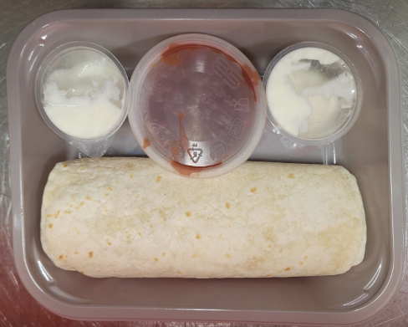

PACK
+ 1 YEAR

Tray: C 2200­1D Evolve CPET (PKRHP001-09) |  |  | 4 x Ambient 16.5cm (6.5") Flour Tortillas 120G |  |  | 2 x 25g Garlic Mayonnaise Dip Pot 50g |  | 40g Salsa Dip (RMCAM003-01)
Film: K peel 7G+25A/f- 275mm (275 mmX1000) (PKKMP001-03) |  |  | RMMXF001-01 |  |  | RMPIQ001-05 |  | Satco 2oz Pots with Lids (PKJEN001-03)
ALLERGY ALERT: EGG, MUSTARD, WHEAT

